Sheet1
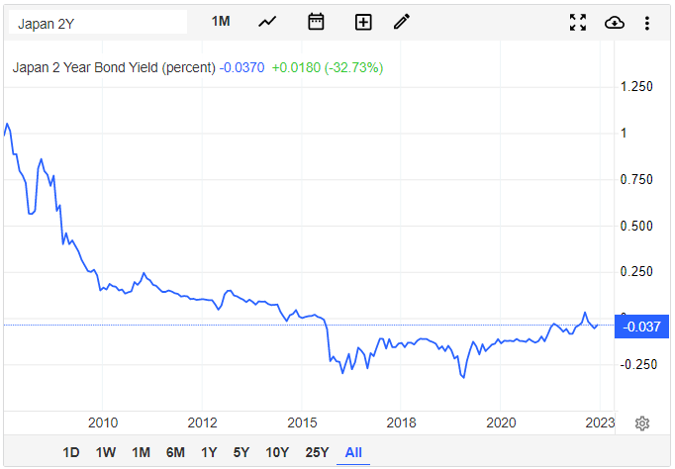
Rate used for Conversion | 133
All Bond Types | Sum of YEN/Dollar | Percent of Bonds
Floating-rate JGB | $1,299,248,120 | 0.03%
10-Year JGB | $2,017,777,443,609 | 47.57%
20-Year JGB | $848,543,609,023 | 20.00%
2-Year JGB | $254,619,548,872 | 6.00%
30-Year JGB | $299,889,473,684 | 7.07%
40-Year JGB | $63,189,473,684 | 1.49%
5-Year JGB | $721,272,180,451 | 17.00%
Inflation-indexed JGB | $35,555,639,098 | 0.84%
Grand Total | $4,242,146,616,541 | 100.00%

LONG TERM (10 YR PLUS) | 76.13%
SHORT TERM + INFLATION | 6.84%

