Federal
https://www.ziprecruiter.com/Salaries/Federal-Employee-Salary#TableView
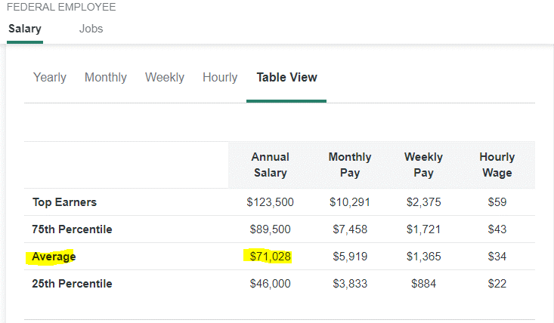

 | https://www.opm.gov/policy-data-oversight/pay-leave/salaries-wages/salary-tables/pdf/2023/GS.pdf |  |  |  |  | Avg = GS-12, Step 1
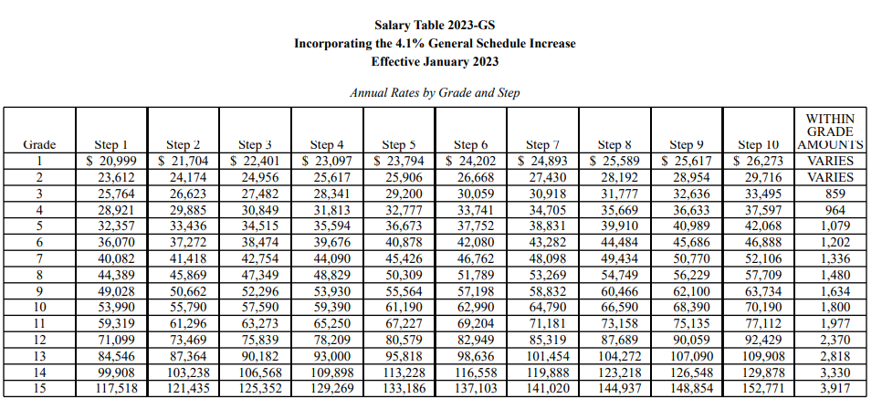

 |  | ZIP Avg | Total Federal Employees w/o Military |  | Total Outlay
 | Average | $71,028 | 2,910,000 |  | $206,691,480,000
 |  |  |  | Tax | $62,276,142,924

Private Sector
https://www.ziprecruiter.com/Salaries/Private-Sector-Salary
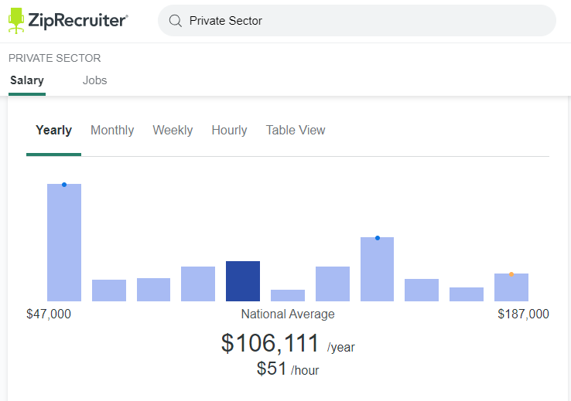

 |  | ZIP Avg | Total Federal Employees w/o Military |  | Total Private Sector Pay
 | Average | $106,111 | 111,000,000 | Full Time Pay | $11,778,321,000,000
Part-time Pay Rate |  | Full Time Tax Rate | 30.13% | Full Time Tax | $3,548,808,117,300
$13.50 | Part-time Average Make | $24,300 | 27,000,000 | Part-Time Pay | $656,100,000,000
Assume: (25hrs*48 wks)*1.5 jobs |  | Part Time Tax Rate | 22.50% | Part-Time Tax | $147,622,500,000
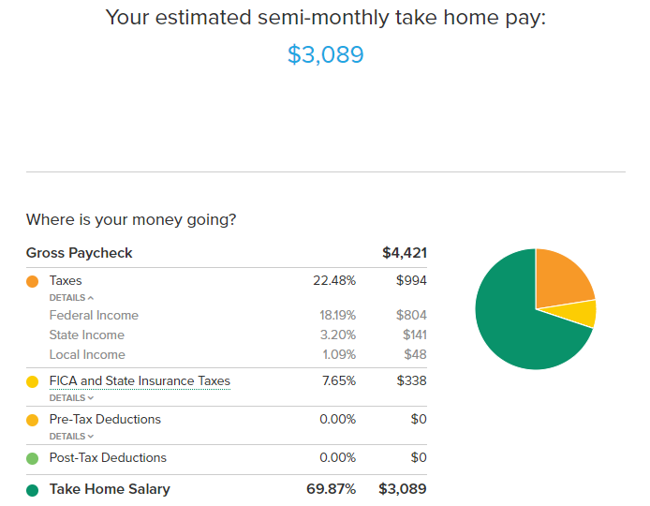
https://smartasset.com/taxes/paycheck-calculator#yUEs6kXAV9

Part Time

Full Time

Fiscal 2022-24
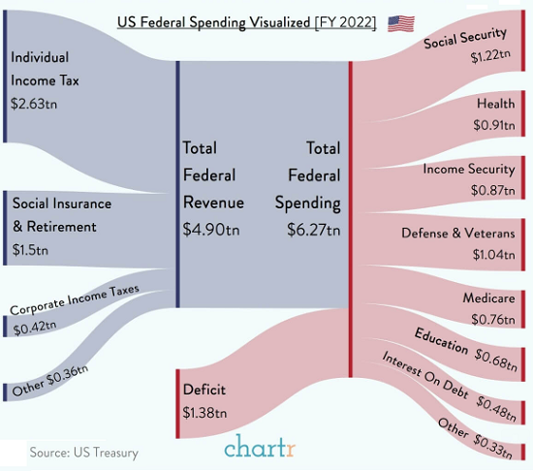

3.83 T

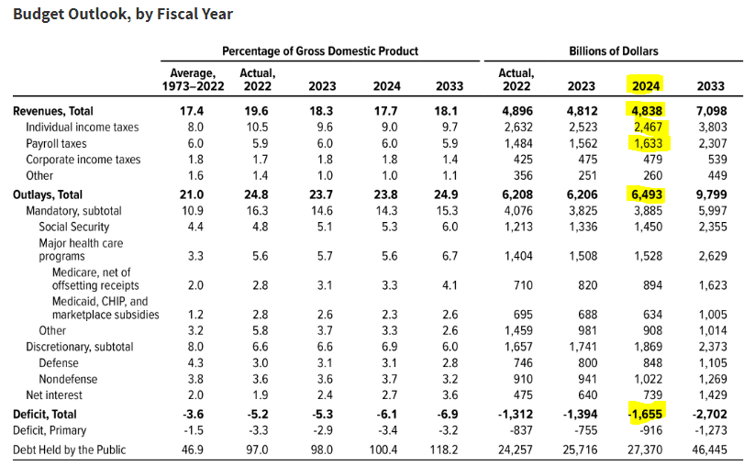

 | https://www.oftwominds.com/blognov23/wealth-taxes11-23.html

 | https://home.treasury.gov/news/press-releases/jy1829 | Other Source (CBO)
 | Confirms the math | https://www.cbo.gov/publication/58946
 | https://home.treasury.gov/system/files/136/Receipts-by-Source-2023.pdf
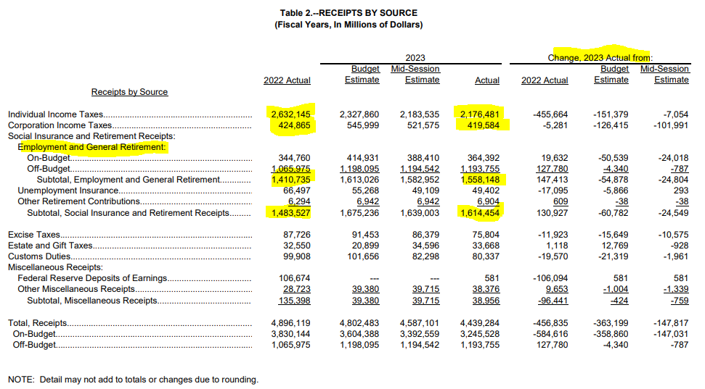
 |  |  | Ind Tax | 2467
 |  |  | Pay Tax | 1633
 |  |  |  | 4100

 | https://home.treasury.gov/system/files/136/Outlays-by-Agency-2023.pdf

