Ark1
Chart (In Trillions) |  |  |  | Compaction Rate | 125% | Divider | 1,000,000 |  |  |  | Raw Values |  |  |  | Failure Rate: | 0.50% | 0.75% | 0.50% | 0.75%
DateTime | Credit Derivatives | Interest rate | Total (all risk categories) | Foreign exchange | Adjusted Compact Model 1 | Date | 200% Model | 175% Model | 150% Model | 125% Model | 200% Model | 175% Model | 150% Model | 125% Model | Failure in Trillions | 150% Model, 0.50% | 150% Model, 0.75% | 175% Model, 0.50% | 200% Model, 0.75%
Total Derivatives (in Trillions), Estimated off 4 Model Scenarios
 | 200% Model | 175% Model | 150% Model | 125% Model
2007-Dec-31 | 586 | 586 | 586 | 586
2008-Jun-30 | 673 | 673 | 673 | 673
2008-Dec-31 | 598 | 598 | 598 | 598
2009-Jun-30 | 595 | 595 | 595 | 595
2009-Dec-31 | 604 | 604 | 604 | 604
2010-Jun-30 | 583 | 583 | 583 | 583
2010-Dec-31 | 601 | 601 | 601 | 601
2011-Jun-30 | 707 | 707 | 707 | 707
2011-Dec-31 | 648 | 648 | 648 | 648
2012-Jun-30 | 641 | 641 | 641 | 641
2012-Dec-31 | 636 | 636 | 636 | 636
2013-Jun-30 | 696 | 696 | 696 | 696
2013-Dec-31 | 710 | 710 | 710 | 710
2014-Jun-30 | 748 | 743 | 739 | 734
2014-Dec-31 | 875 | 854 | 834 | 813
2015-Jun-30 | 1,028 | 988 | 948 | 909
2015-Dec-31 | 1,145 | 1,091 | 1,036 | 982
2016-Jun-30 | 1,266 | 1,197 | 1,127 | 1,058
2016-Dec-31 | 1,407 | 1,320 | 1,233 | 1,146
2017-Jun-30 | 1,527 | 1,425 | 1,323 | 1,221
2017-Dec-31 | 1,548 | 1,443 | 1,339 | 1,234
2018-Jun-30 | 1,674 | 1,554 | 1,433 | 1,313
2018-Dec-31 | 1,775 | 1,642 | 1,509 | 1,376
2019-Jun-30 | 1,967 | 1,810 | 1,653 | 1,496
2019-Dec-31 | 2,131 | 1,953 | 1,775 | 1,598
2020-Jun-30 | 2,227 | 2,037 | 1,848 | 1,658
2020-Dec-31 | 2,277 | 2,081 | 1,885 | 1,689
2021-Jun-30 | 2,333 | 2,130 | 1,927 | 1,724
2021-Dec-31 | 2,356 | 2,150 | 1,944 | 1,739
2022-Jun-30 | 2,423 | 2,209 | 1,995 | 1,781
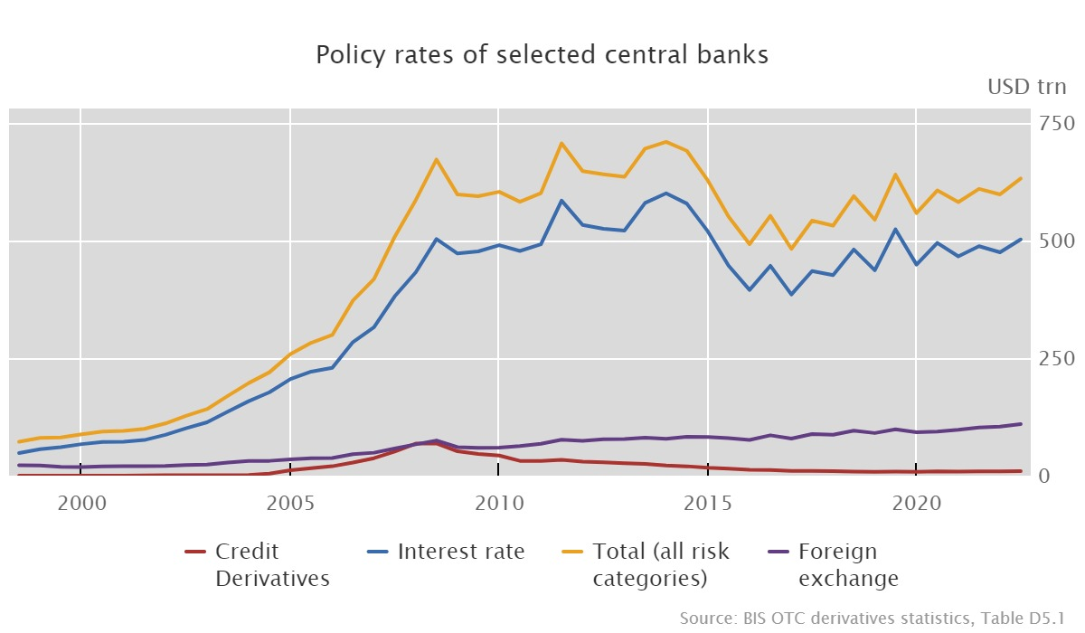
2007-Dec-31 | 68,065,925 | 432,404,362 | 585,925,950 | 66,575,157 | 585,925,949.65 | 2007-Dec-31 | 586 | 586 | 586 | 586 | 585925949.64 | 585925949.64 | 585925949.64 | 585925949.64 | Potential Derivatives Losses at Failure Rates | $9.98 | $14.96 | $11.05 | $18.18
Potential Derivatives Losses at Failure Rates (Trillions)
 | 1998-Jun-30 | 1998-Dec-31 | 1999-Jun-30 | 1999-Dec-31 | 2000-Jun-30 | 2000-Dec-31 | 2001-Jun-30 | 2001-Dec-31 | 2002-Jun-30 | 2002-Dec-31 | 2003-Jun-30 | 2003-Dec-31
150% Model, 0.50%
150% Model, 0.75%
175% Model, 0.50%
200% Model, 0.75%
2008-Jun-30 | 68,677,112 | 503,375,479 | 672,551,160 | 74,847,833 | 672,551,159.70 | 2008-Jun-30 | 673 | 673 | 673 | 673 | 672551159.7 | 672551159.7 | 672551159.7 | 672551159.7
2008-Dec-31 | 51,909,655 | 472,742,021 | 598,140,958 | 60,594,667 | 598,140,957.93 | 2008-Dec-31 | 598 | 598 | 598 | 598 | 598140957.93 | 598140957.93 | 598140957.93 | 598140957.93
2009-Jun-30 | 46,064,891 | 477,072,296 | 594,546,229 | 59,221,018 | 594,546,229.21 | 2009-Jun-30 | 595 | 595 | 595 | 595 | 594546229.21 | 594546229.21 | 594546229.21 | 594546229.21
2009-Dec-31 | 42,816,096 | 490,345,102 | 603,893,268 | 59,834,913 | 603,893,268.26 | 2009-Dec-31 | 604 | 604 | 604 | 604 | 603893268.26 | 603893268.26 | 603893268.26 | 603893268.26
2010-Jun-30 | 31,416,350 | 478,091,414 | 582,681,428 | 62,960,881 | 582,681,427.95 | 2010-Jun-30 | 583 | 583 | 583 | 583 | 582681427.95 | 582681427.95 | 582681427.95 | 582681427.95
2010-Dec-31 | 31,089,412 | 492,347,227 | 601,042,830 | 67,913,062 | 601,042,830.01 | 2010-Dec-31 | 601 | 601 | 601 | 601 | 601042830.01 | 601042830.01 | 601042830.01 | 601042830.01
2011-Jun-30 | 33,811,119 | 585,097,236 | 706,879,371 | 76,596,807 | 706,879,371.22 | 2011-Jun-30 | 707 | 707 | 707 | 707 | 706879371.22 | 706879371.22 | 706879371.22 | 706879371.22
2011-Dec-31 | 29,910,707 | 533,312,601 | 647,806,985 | 74,285,730 | 647,806,984.78 | 2011-Dec-31 | 648 | 648 | 648 | 648 | 647806984.78 | 647806984.78 | 647806984.78 | 647806984.78
2012-Jun-30 | 28,201,975 | 525,116,889 | 641,305,283 | 77,467,350 | 641,305,282.63 | 2012-Jun-30 | 641 | 641 | 641 | 641 | 641305282.62 | 641305282.62 | 641305282.62 | 641305282.62
2012-Dec-31 | 26,328,938 | 521,253,248 | 635,680,965 | 78,058,619 | 635,680,964.79 | 2012-Dec-31 | 636 | 636 | 636 | 636 | 635680964.79 | 635680964.79 | 635680964.79 | 635680964.79
2013-Jun-30 | 24,844,890 | 580,374,216 | 695,878,738 | 80,901,133 | 695,878,737.78 | 2013-Jun-30 | 696 | 696 | 696 | 696 | 695878737.78 | 695878737.78 | 695878737.78 | 695878737.78
2013-Dec-31 | 21,525,637 | 600,820,911 | 710,092,325 | 78,492,115 | 710,092,325.02 | 2013-Dec-31 | 710 | 710 | 710 | 710 | 710092325.02 | 710092325.02 | 710092325.02 | 710092325.02
2014-Jun-30 | 19,954,475 | 578,884,120 | 691,114,351 | 82,509,736 | 733,814,792.28 | 2014-Jun-30 | 748 | 743 | 739 | 734 | 748048272.64 | 743303779.18 | 738559285.73 | 733814792.28
2014-Dec-31 | 16,846,094 | 519,607,485 | 627,786,023 | 82,062,422 | 812,975,203.12 | 2014-Dec-31 | 875 | 854 | 834 | 813 | 874704929.98 | 854128354.36 | 833551778.74 | 812975203.12
2015-Jun-30 | 14,986,952 | 446,945,507 | 551,297,858 | 79,770,905 | 908,585,408.33 | 2015-Jun-30 | 1,028 | 988 | 948 | 909 | 1027681258.3 | 987982641.65 | 948284024.99 | 908585408.33
2015-Dec-31 | 12,644,470 | 395,138,207 | 492,536,174 | 75,953,418 | 982,037,514.41 | 2015-Dec-31 | 1,145 | 1,091 | 1,036 | 982 | 1145204628.1 | 1090815590.2 | 1036426552.3 | 982037514.41
2016-Jun-30 | 11,994,203 | 446,461,693 | 552,942,732 | 85,866,607 | 1,057,545,712.57 | 2016-Jun-30 | 1,266 | 1,197 | 1,127 | 1,058 | 1266017745.1 | 1196527067.6 | 1127036390.1 | 1057545712.6
2016-Dec-31 | 10,102,931 | 385,513,144 | 482,421,055 | 78,780,412 | 1,145,697,808.54 | 2016-Dec-31 | 1,407 | 1,320 | 1,233 | 1,146 | 1407061098.7 | 1319940001.9 | 1232818905.2 | 1145697808.5
2017-Jun-30 | 9,966,829 | 435,204,896 | 542,438,686 | 88,428,961 | 1,220,719,846.90 | 2017-Jun-30 | 1,527 | 1,425 | 1,323 | 1,221 | 1527096360 | 1424970855.7 | 1322845351.3 | 1220719846.9
2017-Dec-31 | 9,577,804 | 426,648,444 | 531,911,060 | 87,116,723 | 1,233,879,379.49 | 2017-Dec-31 | 1,548 | 1,443 | 1,339 | 1,234 | 1548151612.2 | 1443394201.3 | 1338636790.4 | 1233879379.5
2018-Jun-30 | 8,580,706 | 481,085,600 | 594,831,947 | 95,798,113 | 1,312,530,487.86 | 2018-Jun-30 | 1,674 | 1,554 | 1,433 | 1,313 | 1673993385.6 | 1553505753 | 1433018120.4 | 1312530487.9
2018-Dec-31 | 8,371,984 | 436,832,334 | 544,383,323 | 90,658,491 | 1,375,591,267.77 | 2018-Dec-31 | 1,775 | 1,642 | 1,509 | 1,376 | 1774890633.4 | 1641790844.9 | 1508691056.3 | 1375591267.8
2019-Jun-30 | 8,417,961 | 523,959,644 | 640,352,453 | 98,561,680 | 1,495,552,680.33 | 2019-Jun-30 | 1,967 | 1,810 | 1,653 | 1,496 | 1966828893.5 | 1809736822.4 | 1652644751.4 | 1495552680.3
2019-Dec-31 | 8,118,834 | 448,965,627 | 558,512,718 | 92,179,027 | 1,597,852,348.08 | 2019-Dec-31 | 2,131 | 1,953 | 1,775 | 1,598 | 2130508361.9 | 1952956357.3 | 1775404352.7 | 1597852348.1
2020-Jun-30 | 9,049,901 | 495,140,883 | 606,820,680 | 93,811,330 | 1,658,237,299.37 | 2020-Jun-30 | 2,227 | 2,037 | 1,848 | 1,658 | 2227124284 | 2037495289.1 | 1847866294.2 | 1658237299.4
2020-Dec-31 | 8,649,166 | 466,494,129 | 582,055,347 | 97,549,316 | 1,689,193,964.41 | 2020-Dec-31 | 2,277 | 2,081 | 1,885 | 1,689 | 2276654948 | 2080834620.2 | 1885014292.3 | 1689193964.4
2021-Jun-30 | 9,120,794 | 488,099,163 | 609,996,036 | 102,470,515 | 1,724,119,825.43 | 2021-Jun-30 | 2,333 | 2,130 | 1,927 | 1,724 | 2332536325.7 | 2129730825.6 | 1926925325.5 | 1724119825.4
2021-Dec-31 | 9,060,897 | 475,270,505 | 598,415,952 | 104,249,353 | 1,738,594,930.69 | 2021-Dec-31 | 2,356 | 2,150 | 1,944 | 1,739 | 2355696494.1 | 2149995973 | 1944295451.8 | 1738594930.7
2022-Jun-30 | 9,541,597 | 502,585,893 | 632,238,237 | 109,586,913 | 1,780,872,786.32 | 2022-Jun-30 | 2,423 | 2,209 | 1,995 | 1,781 | 2423341063.1 | 2209184970.8 | 1995028878.6 | 1780872786.3

Notes:
Each oscillation down leads one to believe compaction was done even further after 2015 H2. Each time Interest Rate rose, the number when back down. Foreign Exchange and Credit didn't follow this pattern.
Source:
https://www.bis.org/statistics/about_derivatives_stats.htm?m=1032

